Alternative Energy
Vocabulary
Electrode- is a solid electric conductor that carries electric current into non-metallic solids, or liquids, or gases, or plasmas, or vacuums
Electrolyte- is a medium containing ions that is electrically conducting through the movement of ions, but not conducting electrons. This includes most soluble salts, acids, and bases dissolved in a polar solvent, such as water. Upon dissolving, the substance separates into cations and anions, which disperse uniformly through the solvent.
Anion (−) - is an ion with more electrons than protons, giving it a net negative charge (since electrons are negatively charged and protons are positively charged).
Cation (+) - is an ion with fewer electrons than protons, giving it a positive charge.

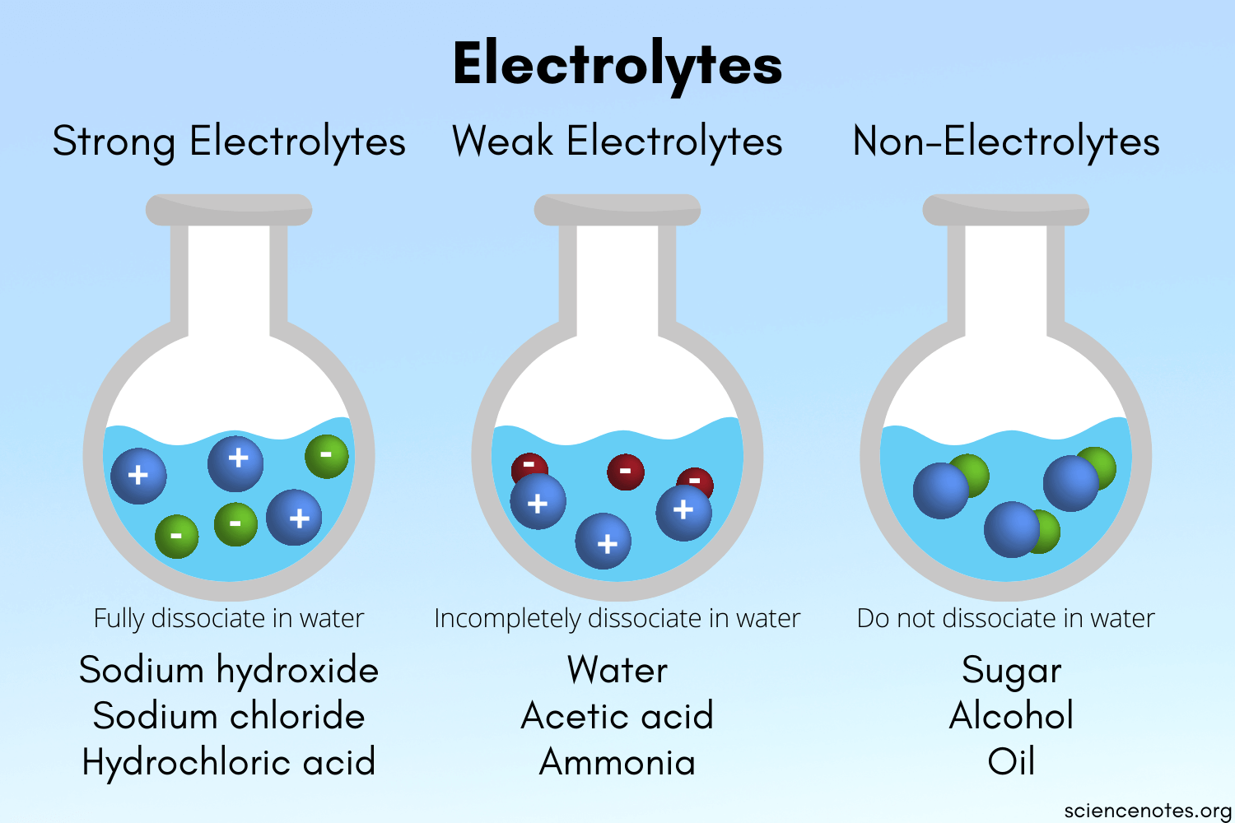

Hydrogen atom (center) contains a single proton and a single electron. Removal of the electron gives a cation (left), whereas the addition of an electron gives an anion (right).

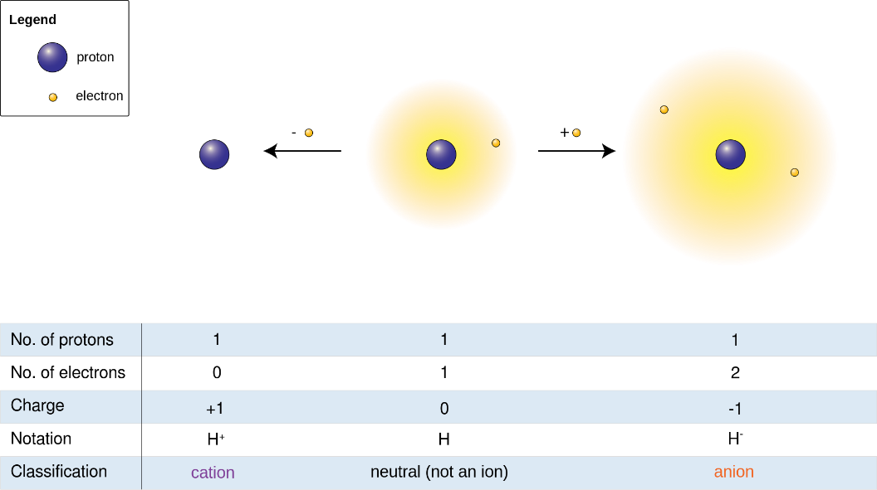

What is a fuel cell?
A fuel cell is a device that generates electricity by a chemical reaction. Every fuel cell has two electrodes, one positive and one negative, called, respectively, the cathode(+) and anode(-). The reactions that produce electricity take place at the electrodes.
Every fuel cell also has an electrolyte, which carries electrically charged particles from one electrode to the other, and a catalyst, which speeds the reactions at the electrodes.
Hydrogen is the basic fuel, but fuel cells also require oxygen. One great appeal of fuel cells is that they generate electricity with very little pollution—much of the hydrogen and oxygen used in generating electricity ultimately combine to form a harmless byproduct, namely water.
How do fuel cells work?
The purpose of a fuel cell is to produce an electrical current that can be directed outside the cell to do work, such as powering an electric motor or illuminating a light bulb or a city. Because of the way electricity behaves, this current returns to the fuel cell, completing an electrical circuit.
There are several kinds of fuel cells, and each operates a bit differently. But in general terms, hydrogen atoms enter a fuel cell at the anode(-) where a chemical reaction strips them of their electrons. The hydrogen atoms are now “ionized,” and carry a positive electrical charge. The negatively charged electrons provide the current through wires to do work.
Oxygen enters the fuel cell at the cathode(+) and, in some cell types it there combines with electrons returning from the electrical circuit and hydrogen ions that have traveled through the electrolyte from the anode(-). In other cell types the oxygen picks up electrons and then travels through the electrolyte to the anode(-), where it combines with hydrogen ions.
The electrolyte plays a key role. It must permit only the appropriate ions to pass between the anode(-) and cathode(+). If free electrons or other substances could travel through the electrolyte, they would disrupt the chemical reaction.
Whether they combine at anode or cathode, together hydrogen and oxygen form water, which drains from the cell. As long as a fuel cell is supplied with hydrogen and oxygen, it will generate electricity.
Even better, since fuel cells create electricity chemically, rather than by combustion, they are not subject to the thermodynamic laws that limit a conventional power plant. Therefore, fuel cells are more efficient in extracting energy from a fuel. Waste heat from some cells can also be harnessed, boosting system efficiency still further.

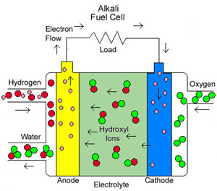

Alkali fuel cells operate on compressed hydrogen and oxygen. They generally use a solution of potassium hydroxide (chemically, KOH) in water as their electrolyte. Efficiency is about 70 percent, and operating temperature is 150 to 200 °C, (about 300 to 400 °F). Cell output ranges from 300 watts (W) to 5 kilowatts (kW). Alkali cells were used in Apollo spacecraft to provide both electricity and drinking water. They require pure hydrogen fuel, however, and their platinum electrode catalysts are expensive. And like any container filled with liquid, they can leak.

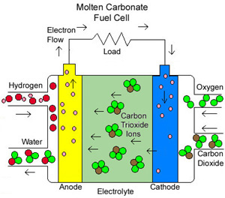

Molten Carbonate fuel cells (MCFC) use high-temperature compounds of salt (like sodium or magnesium) carbonates (chemically, CO₃ as the electrolyte. Efficiency ranges from 60 to 80 percent, and operating temperature is about 650 °C (1,200 °F). Units with output up to 2 megawatts (MW) have been constructed, and designs exist for units up to 100 MW. The high temperature limits damage from carbon monoxide "poisoning" of the cell and waste heat can be recycled to make additional electricity. Their nickel electrode-catalysts are inexpensive compared to the platinum used in other cells. But the high temperature also limits the materials and safe uses of M C F C ’s—they would probably be too hot for home use. Also, carbonate ions from the electrolyte are used up in the reactions, making it necessary to inject carbon dioxide to compensate.

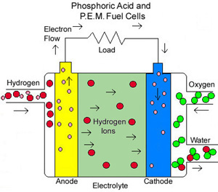

Phosphoric Acid fuel cells (PAFC) use phosphoric acid as the electrolyte. Efficiency ranges from 40 to 80 percent, and operating temperature is between 150 to 200 °C (about 300 to 400 °F). Existing phosphoric acid cells have outputs up to 200 kW, and 11 MW units have been tested. P A F C ‘s tolerate a carbon monoxide concentration of about 1.5 percent, which broadens the choice of fuels they can use. If gasoline is used, the sulfur must be removed. Platinum electrode-catalysts are needed, and internal parts must be able to withstand the corrosive acid.

Proton Exchange Membrane (PEM) fuel cells work with a polymer electrolyte in the form of a thin, permeable sheet. Efficiency is about 40 to 50 percent, and operating temperature is about 80 °C (about 175 °F). Cell outputs generally range from 50 to 250 kW. The solid, flexible electrolyte will not leak or crack, and these cells operate at a low enough temperature to make them suitable for homes and cars. But their fuels must be purified, and a platinum catalyst is used on both sides of the membrane, raising costs.

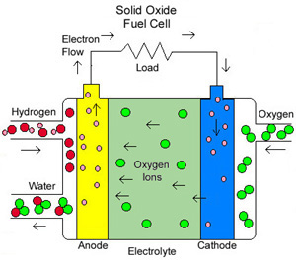

Solid Oxide fuel cells (SOFC) use a hard, ceramic compound of metal (like calcium or zirconium) oxides (chemically, O₂) as electrolyte. Efficiency is about 60 percent, and operating temperatures are about 1,000 °C (about 1,800 °F). Cells output is up to 100 kW. At such high temperatures a reformer is not required to extract hydrogen from the fuel, and waste heat can be recycled to make additional electricity. However, the high temperature limits applications of SOFC units and they tend to be rather large. While solid electrolytes cannot leak, they can crack.

